Sheet1
No | Status | Module | Issues /Changes | Source | API | Sample | Screen | PIC
3 | done | Address Search | Not returning Private Address (This should show when the contact created by same user.. Front end to change to /api/address/list/?start=0&length=20&order=full_name&dir=&value=jolin&private=2 (2) = list both in address book | Backend + Front end | /api/address/list/ |  | 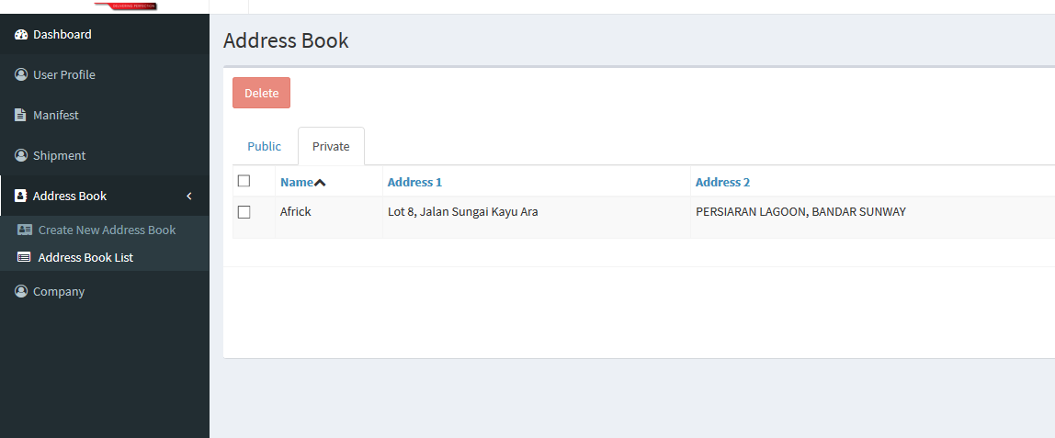 | Wing Fei
4 | Pending | User Password Reset | Password Reset API not exist, double check on this (Forgot password API) | Backend |  |  |  | Africk / Mun Hoe
5 | Pending | My CIT Account | Update user detail not working (Missing API) | Backend + Front end |  |  |  | Africk / Mun Hoe
7 | Pending | Shipment List | Ignore case for search text | Backend | api/shipment/list/ |  |  | Africk / Mun Hoe
11 | Pending | Create Shipment | First Load during create shipment does not takes shipper contact and postcode as there's no return from backend | Front End | /api/company/details |  |  | Africk / Mun Hoe
12 | Pending | Create Shipment | Validation of postcode has to be by country basis. E.g Singpaore 6 digit postcode unable to pass validation now. Backend API to get regex available | Front end |  | /api/lookup/country-info |  | Wing Fei
14 | Pending | Create Shipment | To confirm if shipment created insert into cx_cargo_master table and generate cargo_id with 001/002… (for sovy flow)x To confirm with Mun Hoe why shipment with more than 1 piece will return duplication in Shipment List? | Backend | /api/shipment/create | Send API Body data to mun hoe |  | Africk / Mun Hoe
18 | Pending | Add User | Fail to add user: a. Superuser should be able to invite new user b. Check backend | Front End | /api/company/user/new | { "email": "howdino@hotmail.com", "user_role": "ADMIN", "company_id":"11b91530-b4e8-4b47-b3d3-e6d4e31077a9" } |  | Wing Fei
21 | Pending | Add User | Registration URL invalid (Under Email) | Backend |  |  |  | Africk / Mun Hoe
22 | done | Upload Shipment | Upload shipment fail, check console return object error when file selected ( + Pickup date to return empty string instead of none) | Front End |  |  |  | Wing Fei
23 | Pending | Upload Shipment | Please default the address book shipper as the User Profile shipper information so that user will not need to choose everytime | Front End |  |  |  | Wing Fei
24 | Pending | Label Print | Unable to call label print API Returning error. Check back database | Backend |  | { "status": false, "Message": "Your report has an error and couldn \\'t be processed!\\ Try to output the command using the attribute `command;` and run it manually in the console!" } |  | Africk / Mun Hoe
26 | Pending | Manifest | Error: Load company detail fail, when go into page | Front End | /api/company/details |  |  | Wing Fei
27 | Pending | Company | Pagination is missing (only loads 20) - backend available | Backend + Front End | /api/company/list |  |  | Wing Fei | no recordsTotal for paging to work
28 | done | Address Book | Unable to edit Address book in Private section. Need to pass in /api/address/list/?address_id=14e704f1-8144-437f-99c5-f95de79d811b&private=1 | Front End | /api/address/list/ |  |  | Wing Fei
29 | done | Address Search | Address Search , clicking on page 2 is not changing it's listing content | Front End |  |  |  | Wing Fei
30 | Pending | Company Listing | Company Search | Backend + Front end |  |  |  | Africk / Mun Hoe
31 | Pending | User Listing | User Search | Backend + Front end |  |  |  | Africk / Mun Hoe

